V1
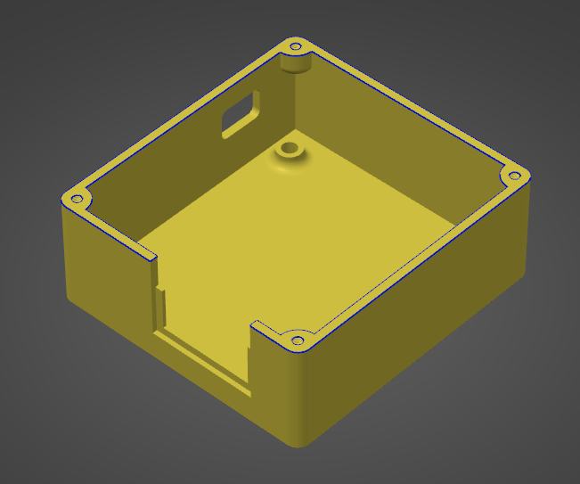
Pin Number | Basic Detail | Comments
1 | 12v Ignition (K15) | Switched power (for waking up the module)
2 | Reverse | Via. Internal relay - 3A max. - for DSG
3 | Ground | Module ground - to chassis etc
4 | N/A | Not used
5 | CAN L | CAN Low from ECU
6 | N/A | Not used
7 | CAN H | CAN High from ECU
8 | Paddle down | Steering wheel paddle down - input to ground - for DSG
9 | N/A | Not used
10 | Paddle up | Steering wheel paddle up - input to ground - for DSG
11 | N/A | Not used
12 | EPC | 12v to EPC
13 | N/A | Not used
14 | EML | 12v to EML
15 | N/A | Not used
16 | RPM | 12v to cluster RPM (>MK2 / not high voltage)
17 | RPM | MK1 / MK2 to cluster RPM (high voltage!)
18 | Speed | 12v pulsed speed

V2
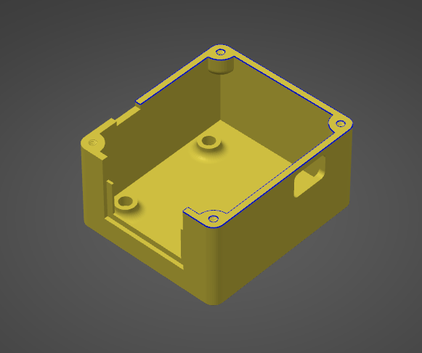
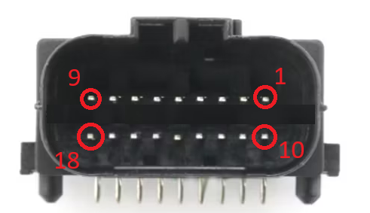
Pin Number | Basic Detail | Comments
1 | 12v Ignition (K15) | Switched power (for waking up the module)
2 | Ground | Chassis ground
3 | CAN L | Powertrain CAN Low
4 | CAN H | Powertrain CAN High
5 | Speed | 12v - pull-to-ground pulsed speed
6 | RPM | 12v - pull-to-ground pulsed rpm
7 | EML | 12v - pull-to-ground pulsed engine management light (EML) light
8 | EPC | 12v - pull-to-ground pulsed electronic pedal control (EPC) light
9 | Reverse | 5A MAX. reverse output (signalled from DSG CAN)
10 | Paddle up | Steering wheel paddle up - input to ground - for DSG
11 | Paddle down | Steering wheel paddle down - input to ground - for DSG
12 | Hall Speed | Hall sensor input - can broadcast over CAN if required
13 | N/A | Not used
14 | N/A | Not used
15 | N/A | Not used
16 | N/A | Not used
17 | N/A | Not used
18 | RPM | High voltage coil pulse - for MK1/MK2 etc

